Front page
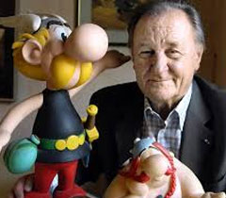
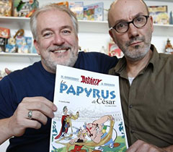
Ismo Porna, Helsinki Finland |  |  |  | 1/27/26
ASTERIX AROUND THE WORLD: Languages and Dialects, Special Editions and Publishers
See more about A and B www.asterix-obelix.nl
Email: ismo.porna@kultismo.com |  |  |  | Mobile: +358 50 5543325
Ismo Porna's personal collections |  |  |  | www.Asterix-Finnismocollections.fi
Items | Total | Ismo | Missing |  | Rene Coscinny (1926-1977) Albert Uderzo (1927-2020) Ferri&Conrad (1959-)
A. Languages & Dialects (Official collection) | 126 | 126 | 0 | = Official printed publications
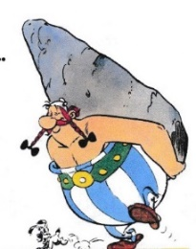
B. Homemade unofficial full album translations | 27 | 27 | 0 | = Privately printed or homemade both printed and PDF formats
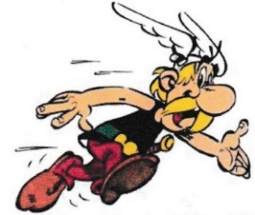
C Unofficial translations of the short episodes | 94 | 94 | 0 | = PDF formats from Asterix and Class Act nr. 32
D. Finno-Ugric languages and dialects | 67 | 67 |  | Translations of Springtime in Gaul of album nr. 32
Total amount of various translations | 314 | 314 | 0 | Different languages and dialects
Special official and bootleg editions | 177 | 174 | 3 | = Publishers plus special editions & formats
Asterix at the Olympic Games | 130 | 130 | 0 | = 64 translations and 66 special editions
Finnish editions and its dialects | 166 | 166 | 0 | = All the prints of the five different Finnish publishers
TOTAL | 787 | 784 | 3
List of official publishers | 188 | 188 | 0 | (+ 21 illegal publishers)

 |  |  |  |  | ISMOX (1944-) | ASTERIX | OBELIX AND IDEFIX
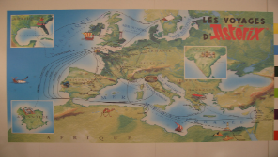
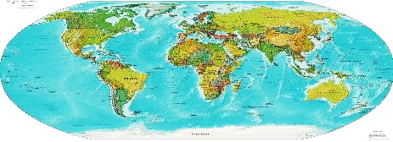

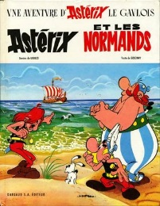
THE ORIGINAL FRENCH ALBUMS
